1. Population Flow
Population Flow:

PRODUCTS
Original dataset
Total rows: 49.693
Total columns: 5
PRODUCTS after consistency check
CUSTOMERS
Original dataset
Total rows: 206.209
Total columns: 10
CUSTOMERS
after consistency check
ORDERS
Original dataset
Total rows: 3.421.083
Total columns: 7
ORDERS after consistency check
ORDERS_ LARGE
Merged dataset
Column "_merge" deleted after check
Total rows: 32.640.698
Total columns: 9
ORDERS_ PRODUCTS_PRIOR
Original dataset
Total rows: 32.434.489
Total columns: 4
ORDERS_ PRODUCTS_PRIOR after consistency check

Dropped column "eval_set"
Renamed column "orders_dow"
Missing values: 206.209 in the "days_since_prior_order"
Change datatypes in "order_id" , "user_id" from int64 to string
Total rows: 3.421.083
Total columns: 6
Change datatypes in "order_id", "product_id" from int64 to string
Total rows: 3.421.083
Total columns: 6
Missing values: 16 in the "product_name" column
Deleted rows with missing values
Total rows: 3.421.083
Total columns: 5
Missing values: 11.259 in the "first_name" column
Will be dropped in further processing due to PII
Total rows: 206.209
Total columns: 10

ORDERS_ PRODUCTS
Merged dataset
Total rows: 32.642.461
Total columns: 14
ORDERS_ PRODUCTS after consistency check
CUSTOMERS_ORDERS_ PRODUCTS
Merged dataset
Total rows: 32.642.461
Total columns: 22

Missing values: 11 in the "order_id" column
Missing values in the column "days_since_prior_order": 2.078.207
After crosstab those values relate to all first orders
Total rows: 32.641.461
Total columns: 13

5. Vizualisations
Vizualisations:

1. Customers by Regions: | 2. Most busy hours on the platform: | 3. Orders by the Day of the Week:
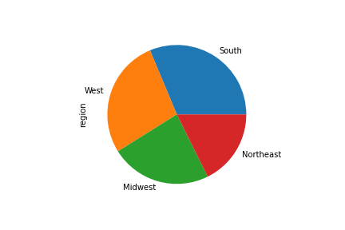
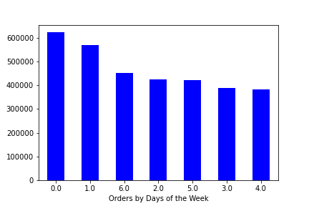
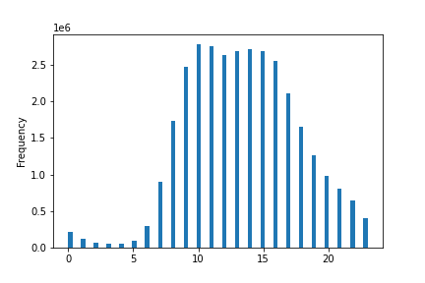

4. Spending levels: | 5. Product prices by the Hour: | 6. Spending power by Age:
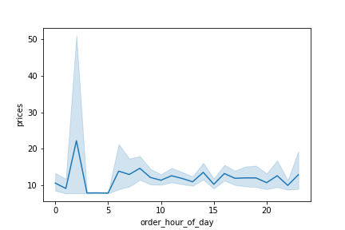
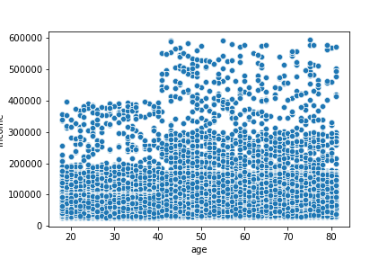
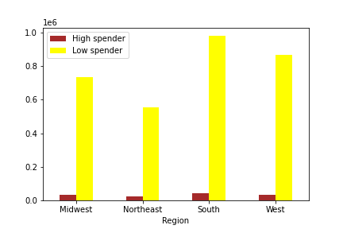

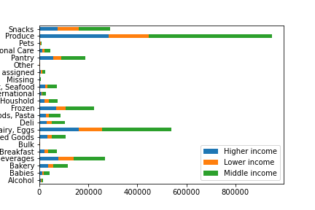
7. Customer profile by Income level: | 8. Income level customer profiles by Regions: | 9. Income level customer profiles by Departments:
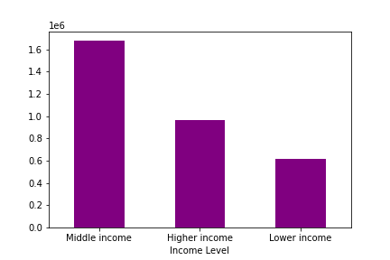
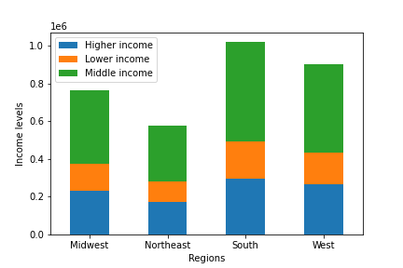

10. Customer profile by Parent's Age: | 11. Parent's Age customer profiles by Regions: | 12. Parent's Age customer profiles by Departments:
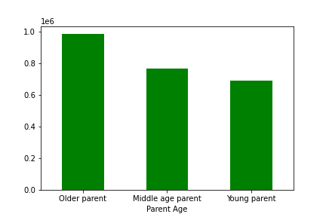
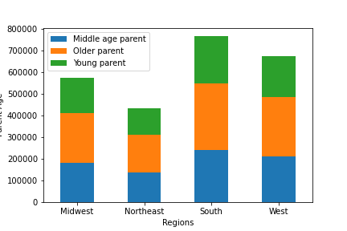
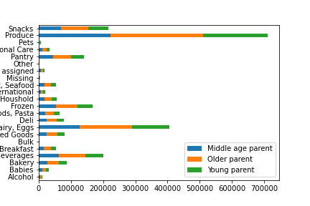

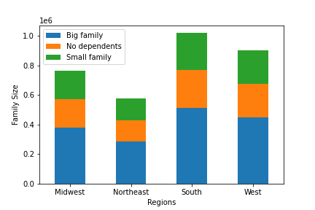
13. Customer profile by Family size: | 14. Family size customer profiles by Regions: | 15. Family size customer profile by Departments:
 |  | Big families are the biggest buyers within the departments.
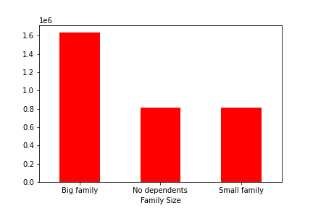
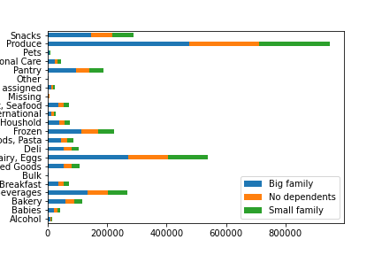

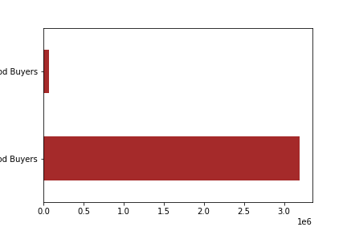
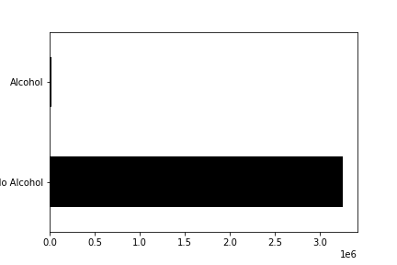
16. Customer profile with/without a Baby in household: | 17. Customer profile by Meat/Seafood purchase: | 18. Customer profile by Alcohol purchase:
 |  | Most customers do not buy alcohol on the platform.
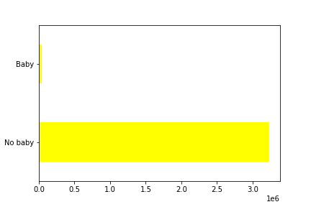

19. Customer Loyalty: | 20. Customer loyalty by Regions:
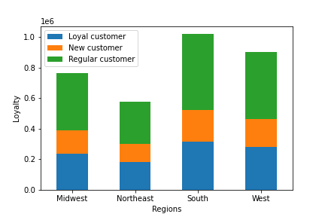
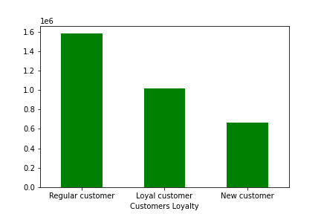

21. Spending Flag by Regions: | 22. Departments by Orders:
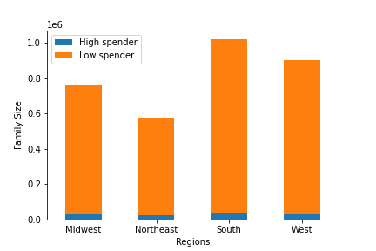
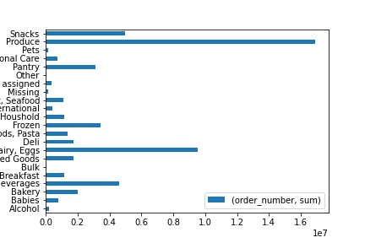

23. Spending Flag by Income Level: | 24. Product Price Range
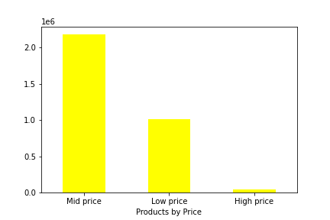
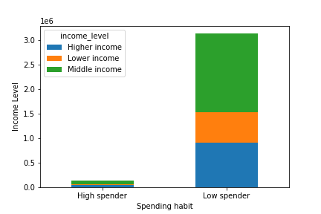

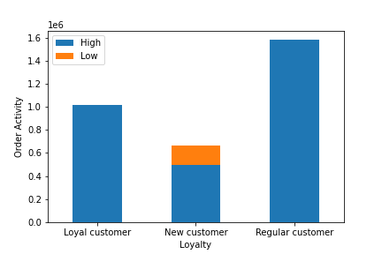
25. Loyalty by Order activity: | 26. Loyalty by Regions:

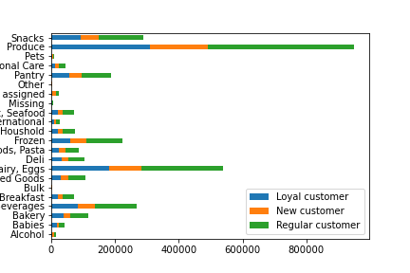
27. Loyalty by Departments:

6. Recommendations
 | Recommendations:

Q 1. | The sales team needs to know what the busiest days of the week and hours of the day are (i.e., the days and times with the most orders) in order to schedule ads at times when there are fewer orders.

 | Wednesdays and Thursdays are the least busy days of the week.
 | Night hours are the least busy. Ther ordering activity also slows down after 4 pm.

Q 2. | They also want to know whether there are particular times of the day when people spend the most money, as this might inform the type of products they advertise at these times.
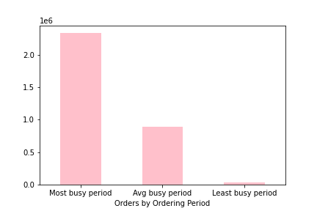

 | The most expensive products were sold at 2 am.
 | Most orders are placed between 9 am - 5 pm during the most busy period.

Q 3. | Instacart has a lot of products with different price tags. Marketing and sales want to use simpler price range groupings to help direct their efforts.

 | The majority of products fall into the middle range prices between $5-15

Q 4. | Are there certain types of products that are more popular than others? The marketing and sales teams want to know which departments have the highest frequency of product orders.

 | Produce, Dairy & Eggs, Snacks, Beverages, Frozen, and Pantry are the mostly purchased products.

Q 5. | The marketing and sales teams are particularly interested in the different types of customers in their system and how their ordering behaviors differ.

Q 5.1. | What’s the distribution among users in regards to their brand loyalty (i.e., how often do they return to Instacart)?

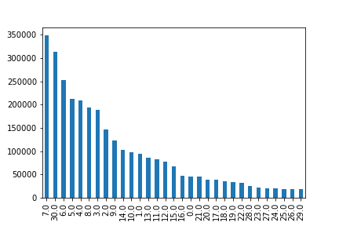
 | Most shoppers return to Instacart after 7 days of prior order, followed by those who return after 30 days.

Q 5.1. | Are there differences in ordering habits based on a customer’s loyalty status?

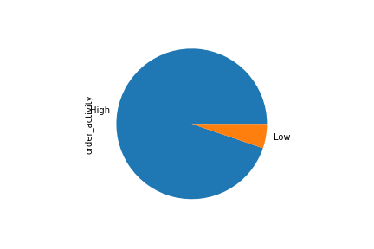
 | Most customers of Instacart are regular customers placing 10-40 orders: |  |  |  |  | There is significantly more highly active customers with 5 and more orders than the less acitve shoppers:

 |  |  |  |  |  | For customer purposes, the file with highly active customers has been exported and saved in the Prepared Data folder.

Q 5.2. | Are there differences in ordering habits based on a customer’s region?

 | All four regions have unproportionally more Low spenders who pay less than $10 per product.

Q 5.3 | Is there a connection between family status in terms of ordering habits?

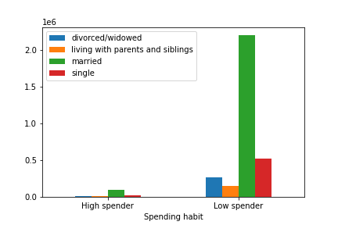
 | Among customers who pay less than $10 per product, the married are the biggest group.

Q 5. 4 | What different classifications does the demographic information suggest? Age? Income? Certain types of goods? Family status?
 | What differences can you find in ordering habits of different customer profiles? Consider the price of orders, the frequency of orders, the products customers are ordering, and anything else you can think of.

 |  | INCOME LEVEL:

 |  | order_number | mean | prices | mean
 |  | income_level |  | income_level
 |  | Higher income | 17.312986 | Higher income | 19.797522
 |  | Lower income | 16.369912 | Lower income | 7.099864
 |  | Middle income | 17.32585 | Middle income | 9.421926

 |  | The average shopping frequency is very similar among all 3 profiles of income level. Lower income level customers ordered only one order less on average than Higher or Middle income customers.
 |  | The Higher income customers buy on average the most expensive products. They pay more the double of the prices paid by the Middle and Lower income level clients.

 |  | PARENT'S AGE:

 |  | order_number | mean | prices | mean
 |  | parent_age |  | parent_age
 |  | Middle age parent | 17.164857 | Middle age parent | 11.094683
 |  | Older parent | 17.045291 | Older parent | 12.119574
 |  | Young parent | 17.127599 | Young parent | 12.329354

 |  | Among the Parent Age profiles, all three groups show the same shopping frequency on average and all three groups pay similar average prices for their products.

 |  | FAMILY SIZE:

 |  | order_number | mean | prices | mean
 |  | fam_size |  | fam_size
 |  | Big family | 17.104917 | Big family | 11.837282
 |  | No dependents | 17.243217 | No dependents | 12.610667
 |  | Small family | 17.108594 | Small family | 11.896118

 |  | Big famlies, small families and households with no dependents place the same number of orders on average and they also spend almost the same amount of money per product on average.

 |  | BABIES in the HOUSEHOLD:

 |  | order_number | mean | prices | mean
 |  | babies |  | babies
 |  | Baby | 19.33552 | Baby | 7.676004
 |  | No baby | 17.111614 | No baby | 12.102822

 |  | Customers who order baby products place slighlty more orders on average than those who do not buy baby products, but they buy much cheaper products on average.

 |  | MEAT SEAFOOD BUYERS:

 |  | order_number | mean | prices | mean
 |  | meat_seafood |  | meat_seafood
 |  | Meat Seafood Buyers | 15.911291 | Meat Seafood Buyers | 16.3452
 |  | No Meat Seafood Buyers | 17.167857 | No Meat Seafood Buyers | 11.948288

 |  | Customers who purchase meat or seafood place slighlty less orders on average than those who do not buy theses products, but they buy slightly more expensive products on average.

 |  | ALCOHOL BUYERS:

 |  | order_number | mean | prices | mean
 |  | alcohol |  | alcohol
 |  | Alcohol | 15.007955 | Alcohol | 8.135694
 |  | No Alcohol | 17.150532 | No Alcohol | 12.063879

 |  | Customers who purchase alcohol place slighlty less orders on average than those who do not buy alcohol, and they spent much less money on their products on average.

 |  | INCOME LEVEL BY REGIONS

 |  |  |  | In all 4 regions the Middle income housholds represent the majority of customers.
 |  |  |  | The Lower income clients are the smallest group in all 4 regions.

 |  | PARENT'S AGE BY REGIONS:

 |  |  |  | Older parents of age 55+ are the majority in all regions.
 |  |  |  | Younger parents are the least represented group.

 |  | FAMILY SIZE BY REGIONS:

 |  |  |  | In all regions, Big families are the majority.

 |  | SPENDING FLAG BY REGIONS:

 |  |  |  | All regions have mostly less spending customers.

 |  | INCOME LEVEL BY DEPARTMENTS:

 |  |  |  | Similary to regions, the Middle income households are the biggest group of buyers within the most popular departments.

 |  | PARENT'S AGE BY DEPARTMENTS:

 |  |  |  | All Parent's Age groups are represented similary within the departments with Older parents being in a small majortiy.

 |  | FAMILY SIZE BY DEPARTMENTS:

 |  |  |  | Big families are the biggest buyers within the departments.

 |  | INCOME LEVEL vs. SPENDING FLAG:

 |  |  |  | Among buyers who spend less than $10 per product the Middle income shoppers are represented the most.

 |  | LOYALTY BY ORDER ACTIVITY:

 |  |  |  | Only New customers placed less than 5 orders.

 |  | LOYALTY BY REGIONS:

 |  |  |  | In all regions, Regular customers who placed between 10-40 orders have the biggest representation.

 |  | LOYALTY BY DEPARTMENTS:

 |  |  |  | Regular customer are th biggest group whithin the most popular departments.

